Readme
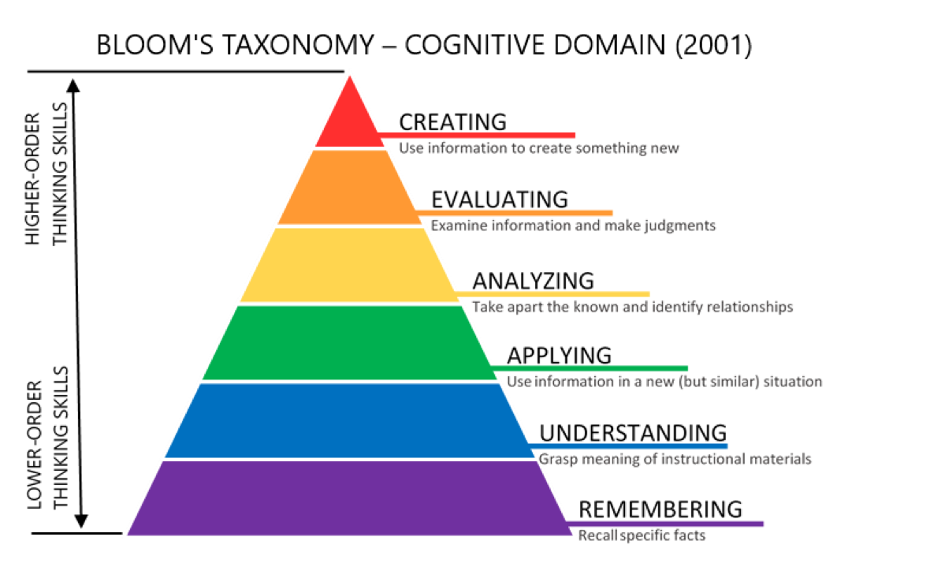

Profile sheet: Please fill in your profile
Your own person sheet: Please fill in your role and then using Bloom’s taxonomy, select the ideal level of knowledge, skills and attitudes required for your role
Your learner's persona sheet: Please fill in your learner's role and then using Bloom’s taxonomy, select the ideal level of knowledge, skills and attitudes required for your leaner's role. If you have more than one type of learner, just choose one of them and fill in the fields for the learner type you chose.

